Phase 4
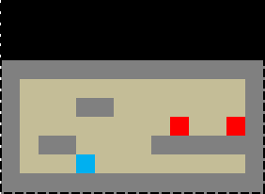
15 | - | Bullets tracked
Bullets Fired: 3

16 | - | Player health tracked
Bullets Fired: 3 |  |  |  | HP: 9

17 | - | Enemy health tracked
Bullets Fired: 3 |  |  |  | HP: 9

18 | - | Reload implemented
Bullets: 3 |  |  |  |  |  | << Shows bullet remaining + button press will refresh it, also when out will auto refresh

19 | - | Score tracked (kills, time elapsed, etc.)
Bullets: 3 |  |  | Score: ???

20 | - | Pause button (stop time)
Bullets: 3 |  |  | Score: ???

 |  |  | Paused

21 | - | Menu screen (utilizes pause button)
Bullets: 3 |  |  | Score: ???

 |  | Paused
 |  | -Continue
 |  | -Options
 |  | -Quit

22 | - | Slow Time (death scene)
Bullets: 3 |  |  | Score: ???

23 | - | Death Screen
Bullets: 3 |  |  | Score: ???

 | High Score: ???
 |  | Game Over
 |  | -Retry
 |  | -Quit

24 | - | Zoom in (no idea how to do this)
Bullets: 3 |  |  | Score: ???

25 | - | Zoom out (no idea how to do this)
Bullets: 3 |  |  |  |  | Score: ???

 |  |  |  |  |  |  | << I can't really show this with Excel so took a screenshot, shrunk it, then pasted it here below

 |  |  |  |  |  |  | Bullets: 3 | Score: ???

